Sheet1
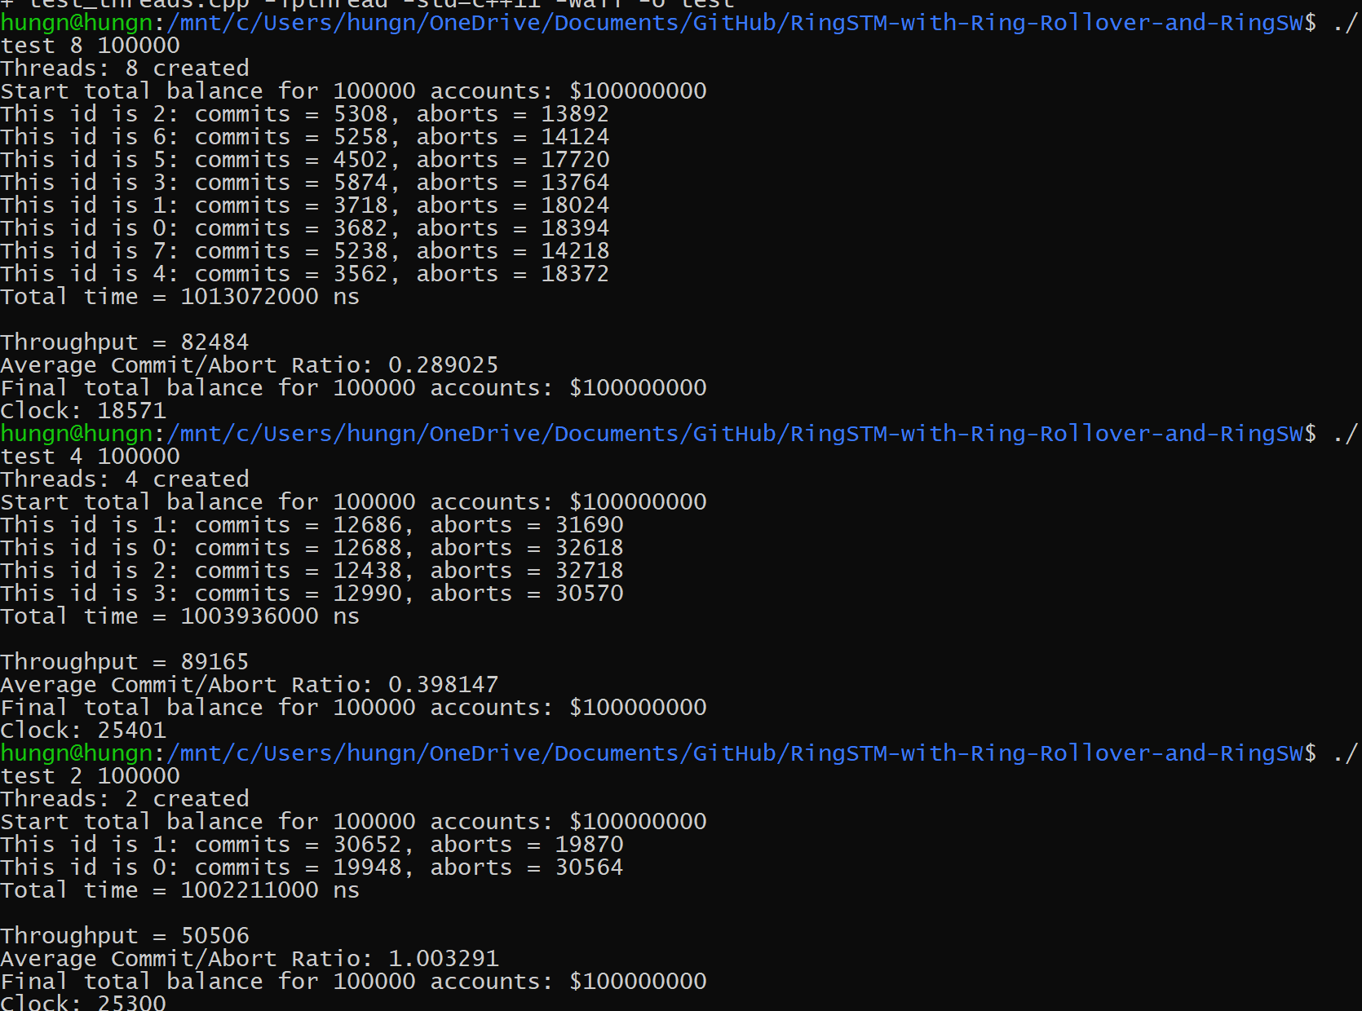
Commit/Abort Ratios (# Accounts = 100K)
Bloom Filter Size: 4096

Threads | Commit/Aborts
2 | 2.81327
4 | 1.211541
8 | 0.809624

Threads | Throughputs
2 | 60173
4 | 109280
8 | 96801

Bloom Filter Size: 1024

Threads | Commit/Aborts
2 | 1.148501
4 | 0.56209
8 | 0.406091

Total Throughputs (# Accounts = 100K)
Threads | Throughputs
2 | 60173
4 | 109280
8 | 96801

Bloom Filter Size: 256

Threads | Commit/Aborts
2 | 1.002296
4 | 0.381688
8 | 0.311451

Threads | Throughputs
2 | 56614
4 | 103842
8 | 88128

Bloom Filter Size: 64

Threads | Commit/Aborts
2 | 1.003291
4 | 0.398147
8 | 0.289025

Threads | Throughputs
2 | 51066
4 | 90371
8 | 70909

4096
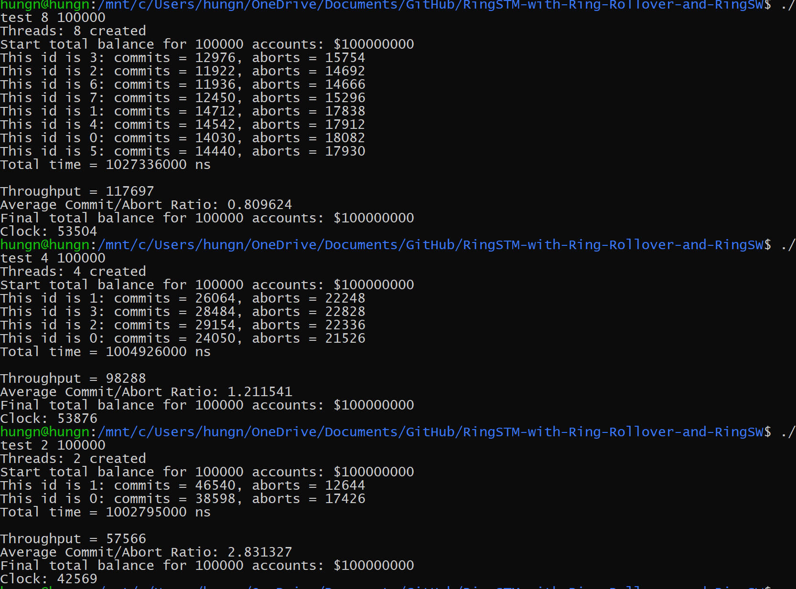

1024
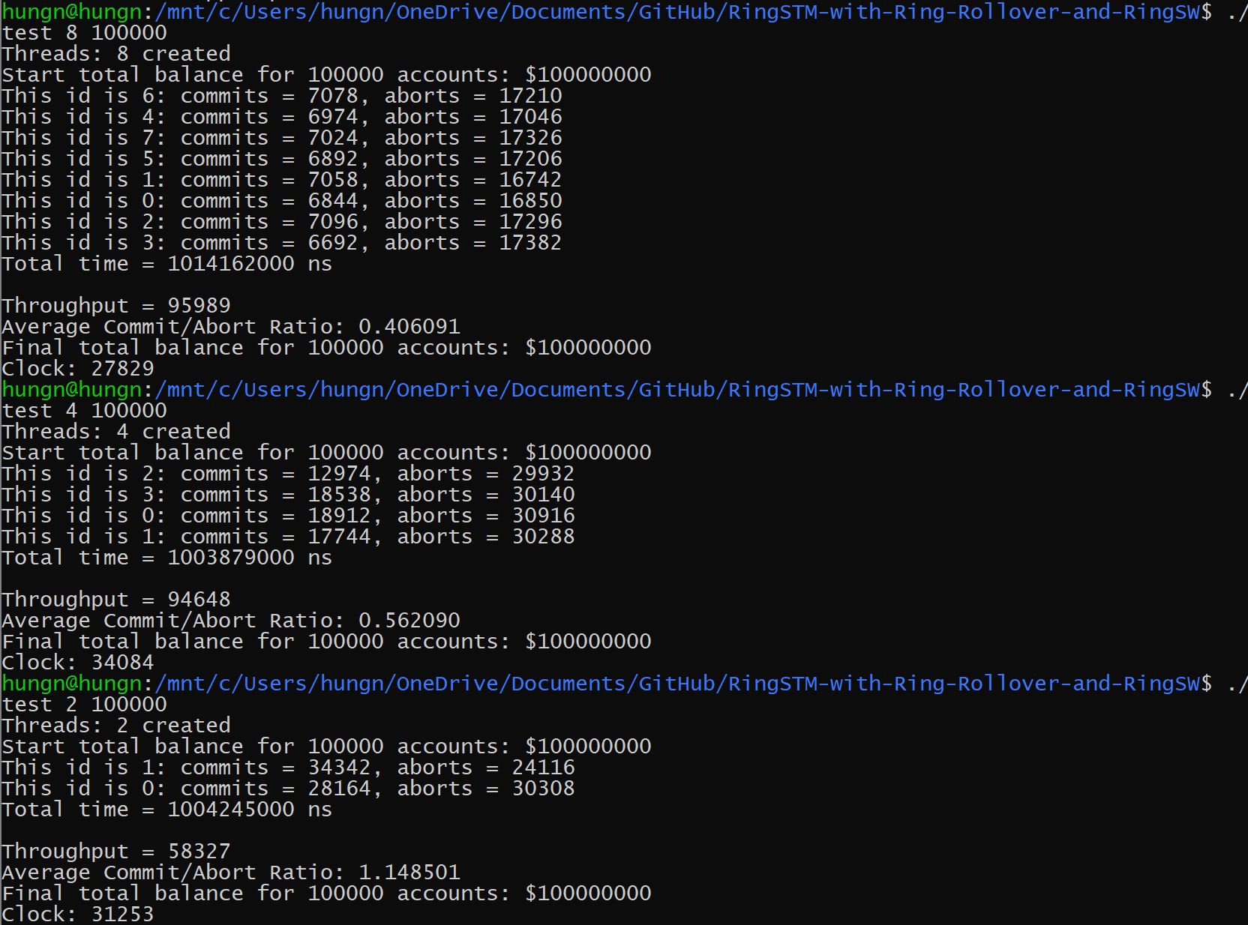

256
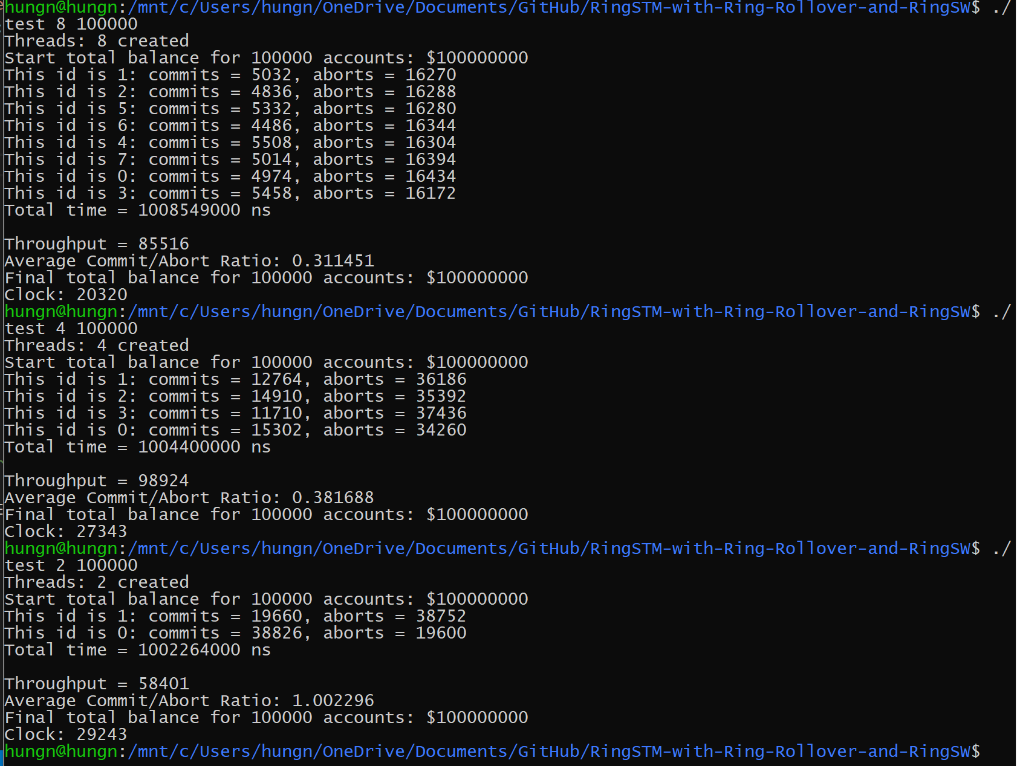

64

